Dashboard
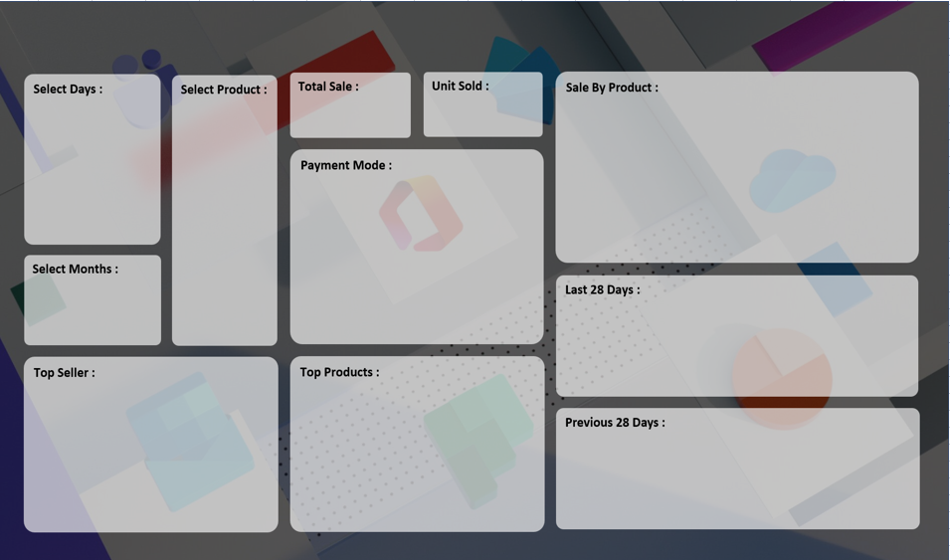
SALES PERFORMANCE DASHBOARD 2022

₹ 7,721,780
3,442
 | Total
HDD 256 GB | 922
Keyboard | 985
Monitor | 747
Printer | 788

 | Total
Cash | 1683
Online | 1759

 | Total
1-Sep | 98
2-Sep | 109
3-Sep | 127
4-Sep | 97
5-Sep | 122
6-Sep | 113
7-Sep | 120
8-Sep | 121
9-Sep | 78
10-Sep | 164
11-Sep | 151
12-Sep | 175

 | Total
HDD 256 GB | 922
Keyboard | 985
SSD 256 GB | 1158

 | Total
ABC Traders | 771
CCC Mart | 865
RG Store | 1168

 | Total
20-Jul | 10
21-Jul | 14
22-Jul | 15
23-Jul | 9
24-Jul | 10
25-Jul | 7
26-Jul | 17
27-Jul | 14
28-Jul | 9
29-Jul | 9
30-Jul | 14
31-Jul | 12

Sheet1
 | Total
15-Aug | 24
16-Aug | 19
17-Aug | 9
18-Aug | 32
19-Aug | 66
20-Aug | 35
21-Aug | 30
22-Aug | 39
23-Aug | 68
24-Aug | 70
25-Aug | 82
26-Aug | 79
27-Aug | 127
28-Aug | 105
29-Aug | 108
30-Aug | 77
31-Aug | 118
01-Sep | 132
02-Sep | 181
03-Sep | 127
04-Sep | 97
05-Sep | 197
06-Sep | 156
07-Sep | 163
08-Sep | 121
09-Sep | 110
10-Sep | 219
11-Sep | 240

 | Total
18-Jul | 14
19-Jul | 14
20-Jul | 10
21-Jul | 23
22-Jul | 17
23-Jul | 12
24-Jul | 10
25-Jul | 11
26-Jul | 22
27-Jul | 19
28-Jul | 9
29-Jul | 9
30-Jul | 18
31-Jul | 19
01-Aug | 12
02-Aug | 13
03-Aug | 7
04-Aug | 26
05-Aug | 16
06-Aug | 12
07-Aug | 8
08-Aug | 13
09-Aug | 23
10-Aug | 14
11-Aug | 10
12-Aug | 7
13-Aug | 23
14-Aug | 17

 | Total
1-Sep | 166
2-Sep | 181
3-Sep | 209
4-Sep | 181
5-Sep | 197
6-Sep | 199
7-Sep | 186
8-Sep | 209
9-Sep | 144
10-Sep | 275
11-Sep | 240
12-Sep | 296

 | Total
20-Jul | 23
21-Jul | 23
22-Jul | 22
23-Jul | 14
24-Jul | 21
25-Jul | 21
26-Jul | 27
27-Jul | 19
28-Jul | 17
29-Jul | 14
30-Jul | 28
31-Jul | 24

